Sheet1
Image Number | ROI | Image Layer | Total Radiant Efficiency [p/s] / [µW/cm²] | Avg Radiant Efficiency [p/s/cm²/sr] / [µW/cm²] | Stdev Radiant Efficiency | Min Radiant Efficiency | Max Radiant Efficiency
FRD20171218131422_001 | ROI 1 | Overlay | 1.10E+05 | 1.01E+04 | 3.58E+04 | -8.30E+04 | 1.01E+05
FRD20171218131422_001 | ROI 2 | Overlay | -1.98E+04 | -1.70E+03 | 3.60E+04 | -1.04E+05 | 9.17E+04
FRD20171218131422_001 | ROI 3 | Overlay | -2.56E+04 | -2.33E+03 | 3.35E+04 | -8.09E+04 | 8.03E+04
FRD20171218131422_001 | ROI 4 | Overlay | 3.10E+06 | 2.66E+05 | 9.89E+04 | 1.13E+05 | 6.96E+05
FRD20171218131422_001 | ROI 5 | Overlay | 2.97E+06 | 2.70E+05 | 9.00E+04 | 3.92E+04 | 6.34E+05
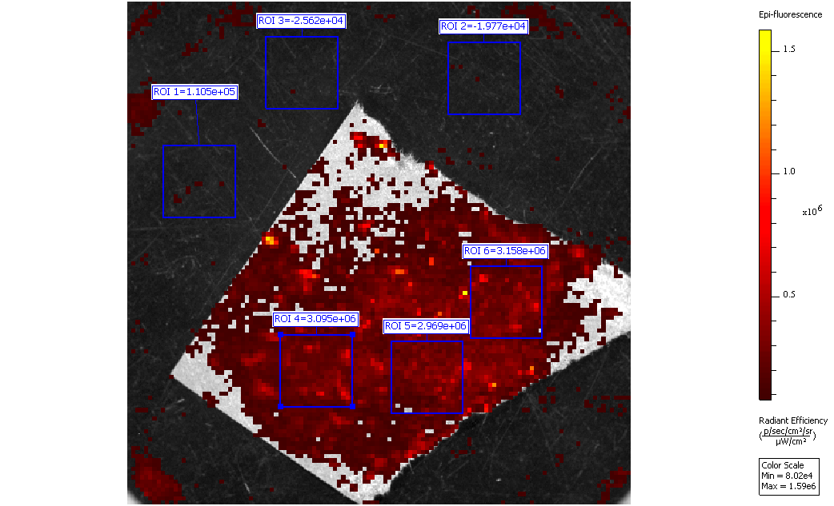
FRD20171218131422_001 | ROI 6 | Overlay | 3.16E+06 | 2.88E+05 | 1.03E+05 | 6.76E+04 | 8.48E+05

